Standard Dev - Task
Date | Visitor of the Public Service
2022-12-01 | 4 | Case
2022-12-02 | 2 | If you are the leader of one institution in Surabaya, how many chair that you need to prepared to cover 68% of all visitior at least will get the seat?
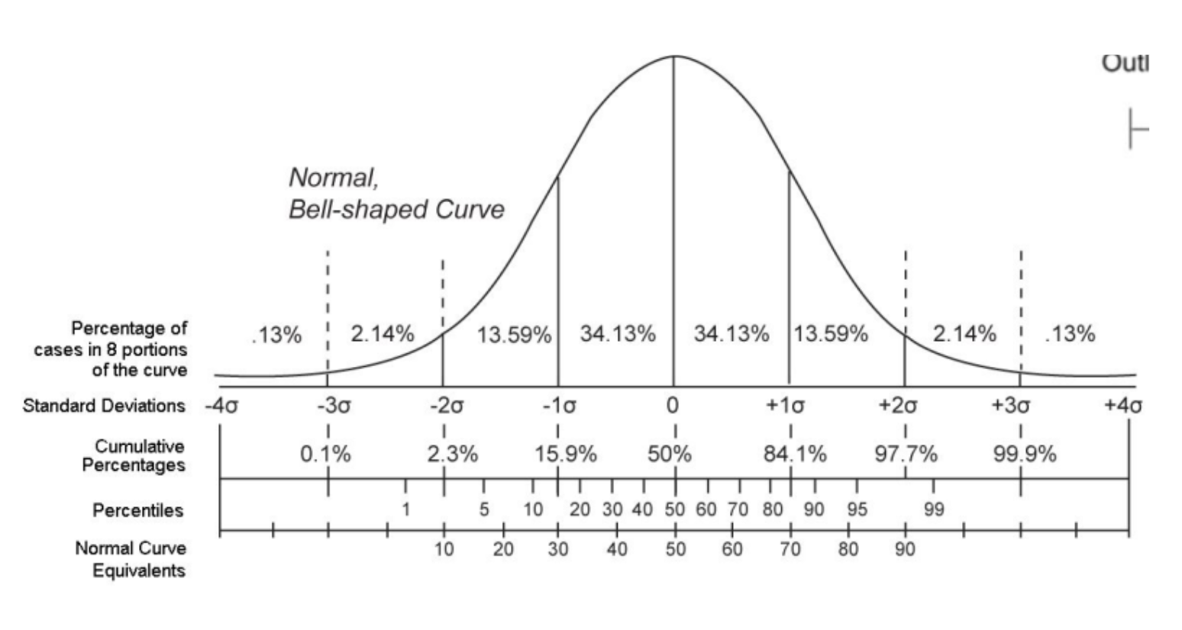
2022-12-03 | 5
2022-12-04 | 10
2022-12-05 | 7
2022-12-06 | 8
2022-12-07 | 10
2022-12-08 | 5
2022-12-09 | 8
2022-12-10 | 4
2022-12-11 | 9
2022-12-12 | 6
2022-12-13 | 10
2022-12-14 | 8
2022-12-15 | 4 | Answer:
2022-12-16 | 6 | Mean | 6.43
2022-12-17 | 8 | Stdev | 2.14
2022-12-18 | 5
2022-12-19 | 7 | Can be seen if condition normal distribution and you want to execute it 68% of all visitor at least will get the seat:
2022-12-20 | 3 | So, we can prepare the chair to cover 68% in a standard normal distribution lies within the range ±1
2022-12-21 | 9 | = mean + 1 * std.dev
2022-12-22 | 7 | = 6.43 + 1*2.14
2022-12-23 | 5 | 8.58
2022-12-24 | 4 | So there are 9 chairs that we need to prepare.
2022-12-25 | 7
2022-12-26 | 7
2022-12-27 | 7
2022-12-28 | 5
2022-12-29 | 8
2022-12-30 | 5

Z Score Task
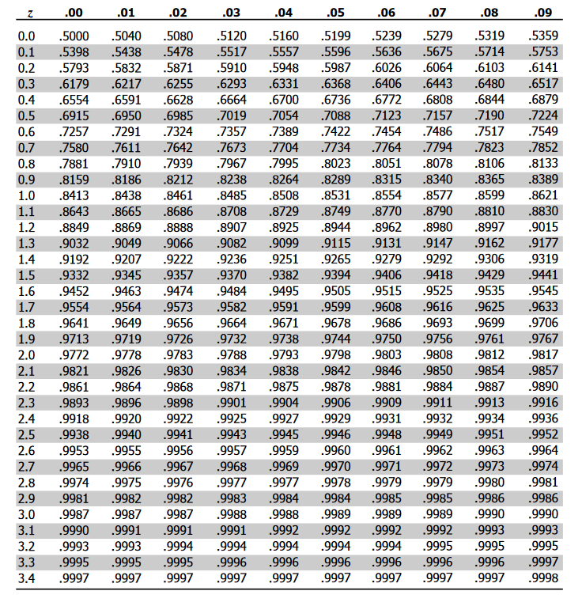
 | Biaya Hidup Bulanan
Data Teman Udin | Bekasi | Tuban
1 | 4,800,000 | 2,500,000
2 | 5,000,000 | 2,100,000
3 | 4,200,000 | 3,000,000
4 | 4,600,000 | 3,000,000
5 | 4,500,000 | 2,500,000
6 | 5,200,000 | 2,400,000

 | Bekasi | Tuban
Tawaran Kerja dengan Gaji Kepada si Udin | 5,000,000 | 3,500,000

Mana yang harus Udin Ambil jika mempertimbangkan biaya hidup berdasar lingkungannya?
Jawaban:
 | Bekasi | Tuban
Mean Sample | 4,716,667 | 2,583,333
Std. Sample | 360,093 | 354,495
Z Score | 0.79 | 2.59

